Dala Sales & Deliveries
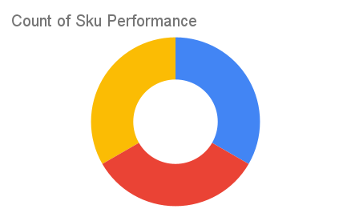
Total Invoices Delivered | 3.00 | Sku Performance | Units | Value
Unique Locations Supplied | 3.00 | 500ml Mixed Juice (1x) | 21.00 | 42,000.00
Total Value of orders | 72,000.00 | 500ml Pineapple Juice (1x) | 0.00 | 0.00
 |  | 500ml Orange Juice (1x) | 15.00 | 30,000.00
 |  |  | 0.00 | 0.00
 |  |  | 0.00 | 0.00
 |  |  | 0.00 | 0.00
 |  |  | 0.00 | 0.00
 |  |  | 0.00 | 0.00
 |  |  | 0.00 | 0.00
 |  |  | 0.00 | 0.00
 |  |  | 0.00 | 0.00
 |  |  | 0.00 | 0.00

